records
Sample Measurement Record
Mano Engineering LLC |  |  |  |  |  |  |  | Part No.190014A
No. | A | B | C | D | E | F | G
1 | 0.2835 | 0.057 | 0.621 | 10.614 |  | 0.9405
2 | 0.2845 | 0.059 | 0.619 | 5.437 |  | 0.936
3 | 0.2885 | 0.057 | 0.621 | 5.646 |  | 0.9385
4 | 0.2885 | 0.052 | 0.6205 | 7.206 |  | 0.94
5 | 0.288 | 0.054 | 0.621 | 7.306 |  | 0.938

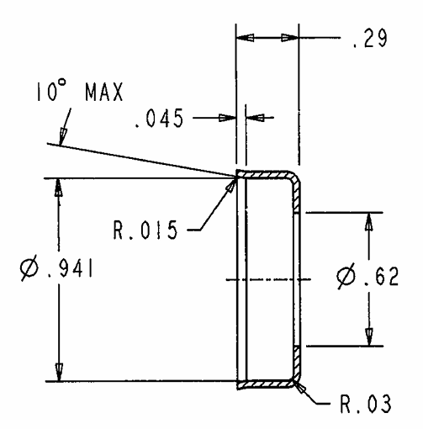
A
Note: "E" and "G" can't be measured reliably
"F" is measured roughly
D
B

E
F
C

G

